TS.Technical Requirements
Docs_ID |  | GR-Report |  |  | Sheet name | TS.Technical Requirements |  |  | Document | Technical Specification

 |  |  |  |  |  | Hoang Xuan Thinh

 | 2 TECHNICAL REQUIREMENTS

 |  | Refer to Function Specification document:
 |  |  | [SAP490-Group4]_Functional Specification_GR Report_V0.3

 | 2.1 DEVELOPMENT OBJECT SPECIFICATIONS

 |  | Program
 |  | Object Detail
 |  | New/Change |  | Object Name |  |  |  | Object Type |  | Description of Object
 |  | New |  | ZGR_038 |  |  |  | Report |  | Chương trình dùng để tổng hợp và gửi data
 |  | New |  | ZGR_038_TOP |  |  |  | INCLUDE |  | Khai báo global object
 |  | New |  | ZGR_038_F01 |  |  |  | INCLUDE |  | Khai báo subrountines xử lý logic

 | 2.2 DEVELOPMENT OBJECT NAME
 |  | Tables are used in program

 |  | Table Name |  |  | Description
 |  | EKKO |  |  | Purchasing Document Item Data
 |  | MSEG |  |  | Material Document Data
 |  | T001 |  |  | Company Code
 |  | LIPS |  |  | Delivery Document Item Data
 |  | ADRC |  |  | Address Data
 |  | USR05 |  |  | User Parameter Values
 |  | MATDOC |  |  | Material Document and Reversal Status
 |  | AGR_USERS |  |  | Stores roles assigned to SAP users
 |  | AGR_1252 |  |  | Stores authorization details for roles, including plant access
 |  | AGR_1251 |  |  | Links roles to authorization objects
 |  | MSEG |  |  | Stores material document data, used for plant-specific checks
 |  | USR05 |  |  | Stores user-specific parameter values (e.g., default plant)
 |  | USR05 |  |  | Stores roles assigned to SAP users
 | 2.3 DEVELOPMENT OBJECT DESCRIPTION
 |  | Variable are used in program
 |  | Field Name |  |  | Type |  | Description
 |  | GT_OUTPUT |  |  | TABLE OF TY_OUTPUT |  | Holds output data for the report
 |  | GS_OUTPUT |  |  | TY_OUTPUT |  | Single row of report data
 |  | GS_HEADER_DATA |  |  | TY_HEADER_DATA |  | Header data for the report
 |  | GR_PLANT |  |  | RANGE OF MSEG-WERKS |  | A range structure that filters plants the user is authorized to access.
 |  | GR_PLANT_JOIN |  |  | RANGE OF MSEG-WERKS |  | Combines authorized plants and user-entered plants for further data filtering
 |  | GO_CONTROL |  |  | REF TO I_OI_CONTAINER_CONTROL |  | Excel container object
 |  | GO_DOCUMENT |  |  | REF TO I_OI_DOCUMENT_PROXY |  | Excel document object
 |  | GO_HANDLE |  |  | REF TO I_OI_SPREADSHEET |  | Excel spreadsheet interface object
 |  | GO_CONTAINER |  |  | REF TO CL_GUI_CUSTOM_CONTAINER |  | Custom GUI container
 | 2.3 DEVELOPMENT USER INTERFACE OF PROGRAM
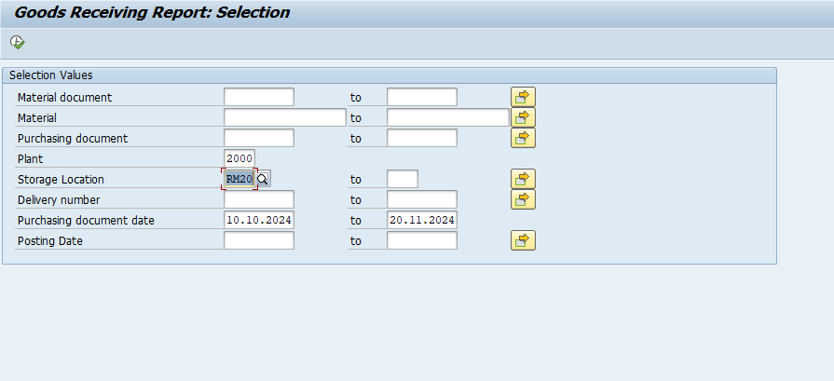

 | 2.4 DEVELOPMENT OBJECT PROGRAM LOGIC FLOW

 |  |  | 2.4.1 View and print GR report in Excel

START

Check user permission plant input
No

Error message "No authorized plants found for your role."
Yes
Fetch Report Data

Process Data

Map Data to Excel Template in tcode OAOR

Display Data in Excel

END

 | 2.5 DEVELOPMENT OBJECT PSEUDO CODE
 |  | 1. Start
 |  | 2. Check user permission plant input
 |  | //Check role user
 |  | SELECT agr_name
 |  | INTO TABLE @DATA(lt_roles_1)
 |  | FROM agr_users
 |  | WHERE agr_users~uname = @sy-uname.
 |  | IF lt_roles_1 IS INITIAL.
 |  | MESSAGE 'You do not have role to access any plant(s).' TYPE 'E'.
 |  | EXIT.
 |  | ENDIF.
 |  | //Fetch Authorized Plants
 |  | SELECT DISTINCT agr_1252~low, agr_1252~high
 |  | INTO TABLE @DATA(lt_plants)
 |  | FROM agr_1252
 |  | INNER JOIN agr_1251 ON agr_1252~agr_name = agr_1251~agr_name
 |  | FOR ALL ENTRIES IN @lt_roles_1
 |  | WHERE agr_1252~agr_name = @lt_roles_1-agr_name
 |  | AND agr_1251~object = 'M_MSEG_WMB'
 |  | AND agr_1252~varbl = '$WERKS'.
 |  | //Check user plant authorize to plant input
 |  | IF lt_plants IS INITIAL.
 |  | MESSAGE 'No authorized plants found for your role.' TYPE 'E'.
 |  | EXIT.
 |  | ENDIF.
 |  | LOOP AT s_werks INTO DATA(lrl_werks).
 |  | IF lrl_werks-sign = 'I'.
 |  | IF lrl_werks-low IN lr_plant.
 |  | lrl_plant-low = lrl_werks-low.
 |  | APPEND lrl_plant TO lr_plant_join.
 |  | ELSE.
 |  | ls_werks-werks = lrl_werks-low.
 |  | APPEND ls_werks TO lt_no_author.
 |  | ENDIF.
 |  | ELSEIF lrl_werks-sign = 'E'.
 |  | IF lrl_werks-low IN lr_plant.
 |  | DELETE lr_plant WHERE low = lrl_werks-low.
 |  | ELSE.
 |  | lr_plant_join = lr_plant[].
 |  | READ TABLE lr_plant INTO lrl_plant INDEX 1.
 |  | ENDIF.
 |  | ENDIF.
 |  | IF lr_plant IS INITIAL.
 |  | MESSAGE 'No authorized plants founded.' TYPE 'E'.
 |  | EXIT.
 |  | ENDIF.
 |  | ENDLOOP.
 |  | 3. Fetch Fetch Report Data
 |  | *Header section
 |  | SELECT SINGLE bukrs butxt ort01 land1
 |  | INTO (ls_header_data-bukrs, ls_header_data-butxt, ls_header_data-ort01, ls_header_data-land1)
 |  | FROM t001 WHERE bukrs = 'DE00'.

 |  | SELECT SINGLE landx
 |  | INTO ls_header_data-landx
 |  | FROM t005t WHERE spras = 'E' AND land1 = ls_header_data-land1.

 |  | SELECT SINGLE street post_code1 tel_number
 |  | INTO (ls_header_data-street, ls_header_data-post_code1, ls_header_data-tel_number)
 |  | FROM adrc WHERE addrnumber = '0000023779'.

 |  | IF s_lgort IS NOT INITIAL.
 |  | ls_header_data-lgort = s_lgort-low.
 |  | ENDIF.
 |  | ls_header_data-bedat_from = s_bedat-low.
 |  | ls_header_data-bedat_to = s_bedat-high.

 |  | *table section
 |  | SELECT mseg~mblnr, mseg~zeile, mseg~werks, mseg~lgort, mseg~charg, mseg~menge,
 |  | mseg~meins, mseg~vbeln_im, mseg~vbelp_im, mseg~ebeln,
 |  | ekko~bedat, ekko~ernam, ekpo~ebelp, mseg~matnr, ekpo~txz01,
 |  | ekpo~menge AS bstmg, ekpo~meins AS bstme
 |  | INTO TABLE @DATA(lt_output_1)
 |  | FROM mseg
 |  | INNER JOIN ekko ON mseg~ebeln = ekko~ebeln
 |  | INNER JOIN ekpo ON mseg~ebeln = ekpo~ebeln AND mseg~ebelp = ekpo~ebelp
 |  | WHERE mseg~mblnr IN @s_mblnr
 |  | AND mseg~matnr IN @s_matnr
 |  | AND mseg~ebeln IN @s_ebeln
 |  | AND mseg~lgort IN @s_lgort
 |  | AND mseg~vbeln_im IN @s_vbeln
 |  | AND ekko~bedat IN @s_bedat
 |  | AND mseg~budat_mkpf IN @s_budat
 |  | AND mseg~bukrs = 'DE00'
 |  | AND mseg~werks IN @lr_plant_join
 |  | AND mseg~ebeln NOT IN (
 |  | SELECT DISTINCT mseg~ebeln
 |  | FROM mseg
 |  | INNER JOIN matdoc ON mseg~mblnr = matdoc~mblnr
 |  | AND mseg~zeile = matdoc~zeile
 |  | WHERE matdoc~cancelled = 'X'
 |  | AND mseg~ebeln IS NOT NULL
 |  | ).
 |  | LOOP AT lt_output_1 INTO DATA(ls_output_1).
 |  | MOVE-CORRESPONDING ls_output_1 TO ls_output.
 |  | ls_output-bedat = ls_output_1-bedat(4) && '-' && ls_output_1-bedat+4(2) && '-' && ls_output_1-bedat+6(2).
 |  | ls_output-open_po_qty = ls_output-bstmg - ls_output-menge.
 |  | APPEND ls_output TO lt_output.
 |  | ENDLOOP.
 |  | 4. Map Data to Excel Template in tcode OAOR
 |  | FORM get_data_tmp .
 |  | DATA: lt_gen TYPE soi_generic_table,
 |  | ls_gen TYPE soi_generic_item,
 |  | lt_range TYPE soi_range_list,
 |  | ls_range TYPE soi_range_item,
 |  | lv_row TYPE i,
 |  | lv_col TYPE i,
 |  | lv_ret TYPE soi_ret_string,
 |  | lv_end_row TYPE string,
 |  | lv_range TYPE string,
 |  | lv_current_doc TYPE mseg-mblnr,
 |  | lv_doc_no TYPE i VALUE 1.

 |  | CLEAR: lv_row, lv_col.
 |  | " Loop through each row of the output data and prepare for inserting to Excel
 |  | LOOP AT lt_output INTO ls_output.
 |  | lv_col = 0.
 |  | lv_row = lv_row + 1.
 |  | " Document No - Use row number as Document No
 |  | lv_col = lv_col + 1.
 |  | ls_gen-row = lv_row.
 |  | ls_gen-column = lv_col.
 |  | ls_gen-value = lv_row. " Document No is the row number
 |  | APPEND ls_gen TO lt_gen.
 |  | " Material Document
 |  | lv_col = lv_col + 1.
 |  | ls_gen-row = lv_row.
 |  | ls_gen-column = lv_col.
 |  | ls_gen-value = ls_output-mblnr.
 |  | APPEND ls_gen TO lt_gen.
 |  |  | …
 |  | " Material Document Item
 |  | " Plant
 |  | " Storage Location
 |  | " Batch
 |  | " Quantity in Unit of Entry
 |  | " Unit of Entry
 |  | " Inbound Delivery
 |  | " Inbound Delivery Item
 |  | " Purchase Order
 |  | " Purchase Order Date
 |  | " Purchase Order Creator
 |  | " Purchase Order Item
 |  | " Material
 |  | " Material Description
 |  | " PO Quantity
 |  | " Order Unit
 |  | " Open PO Quantity
 |  | ENDLOOP.
 |  | ls_range-name = 'range1'. " Specify the name of the range in the template
 |  | ls_range-rows = lines( lt_output ).
 |  | ls_range-columns = 19. " Corresponds to the 18 columns in the Excel template (excluding Document No)
 |  | ls_range-code = '1'.
 |  | APPEND ls_range TO lt_range.
 |  | CALL METHOD go_handle->insert_range_dim
 |  | EXPORTING
 |  | name = 'range1'
 |  | top = 15
 |  | left = 2
 |  | rows = lines( lt_output )
 |  | columns = 19.
 |  | " Insert the data into the Excel spreadsheet
 |  | CALL METHOD go_handle->set_ranges_data
 |  | EXPORTING
 |  | ranges = lt_range
 |  | contents = lt_gen.
 |  | ENDFORM.
 |  | 5. End
 |  | EXIT PROGRAM.

TS.Data Layout Requirements
Docs_ID |  | GR-Report | Sheet name | TS.Data Layout Requirements | Document | Technical Specification

 |  |  |  | Hoang Xuan Thinh

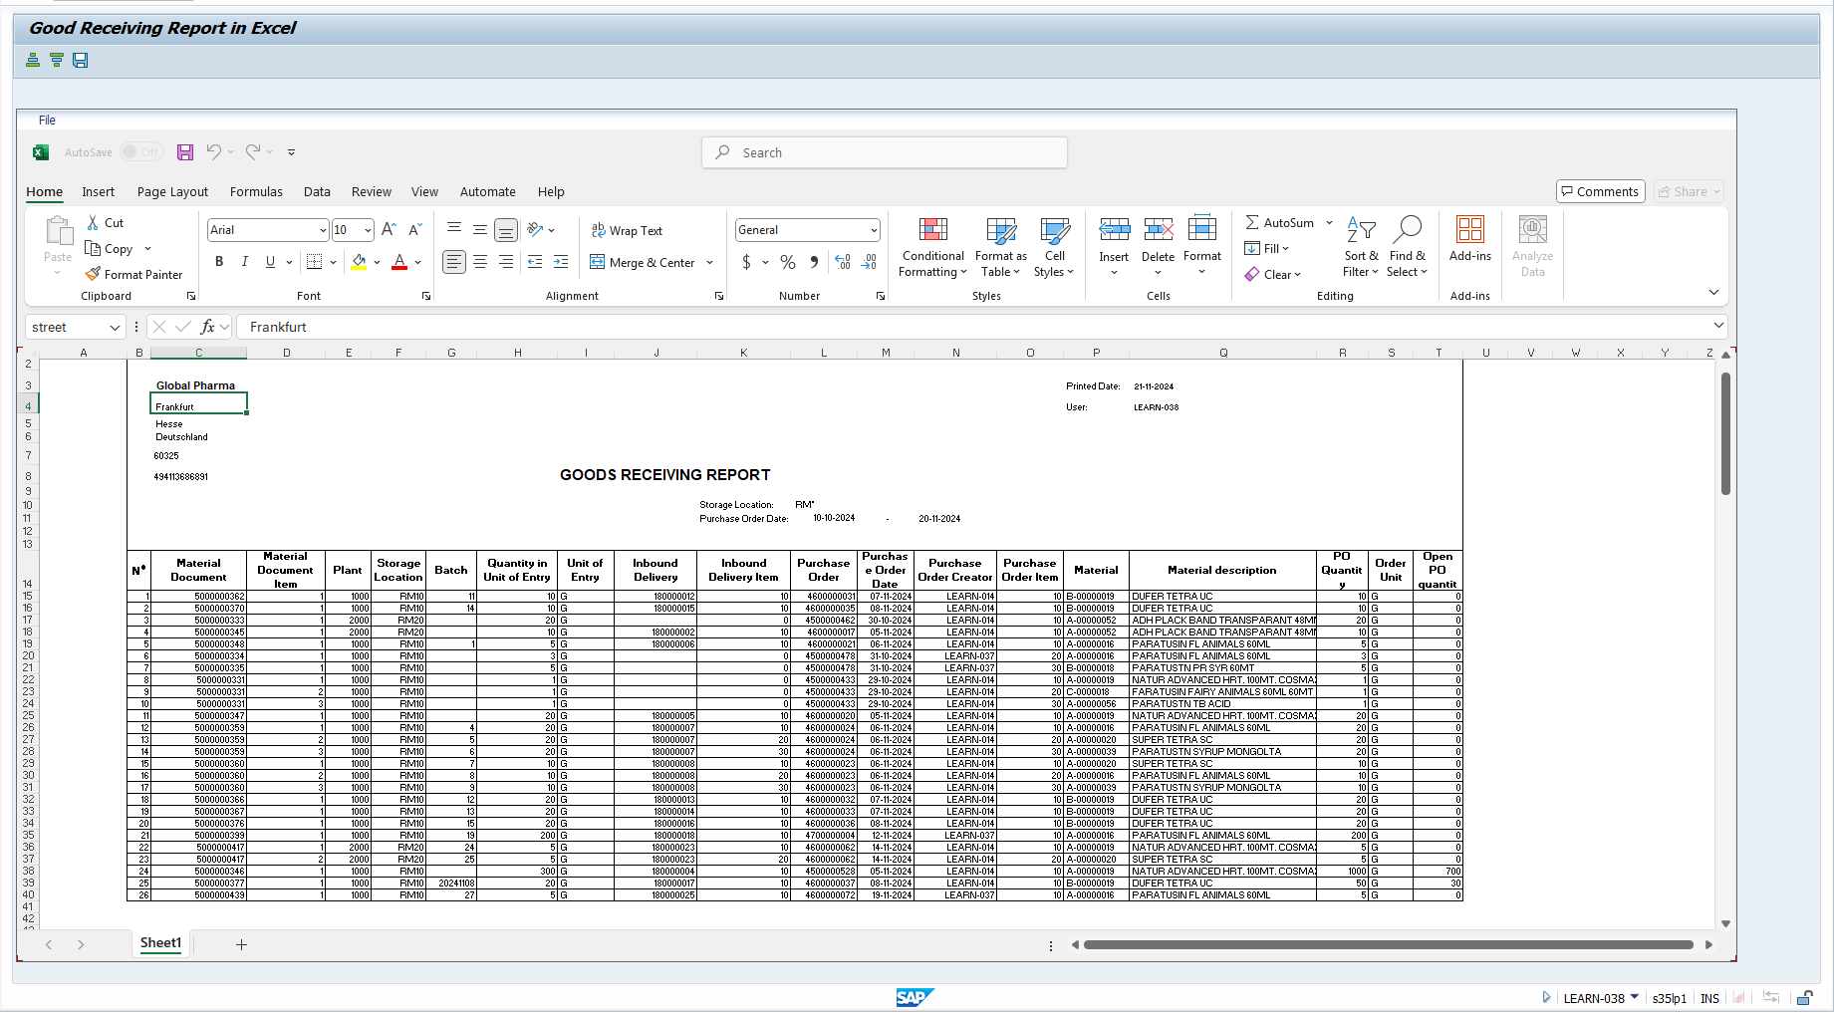
3 DATA LAYOUT REQUIREMENTS
 | N/A

